Instrucciones
Caso Home Store

La empresa HomeStore está pensando en cambiar de instalaciones por lo que el gasto en su renta de locales sería de un total de $8,000 USD, un estudio revela que este cambio de edificios favorecerá a la mayor afluencia de clientes y representará un aumento en las ventas del 15%.
Basándote en la información de las ventas, ¿Debe la empresa realizar esta acción?
Justifica tu respuesta

Costos
Publicidad | $3,000
Sueldos | $1,500
Renta de locales | $6,000
demanda perdida | $1,000
Intereses sobre inversiones | $2,500
Tasa de impuestos | 30%

Income Statement
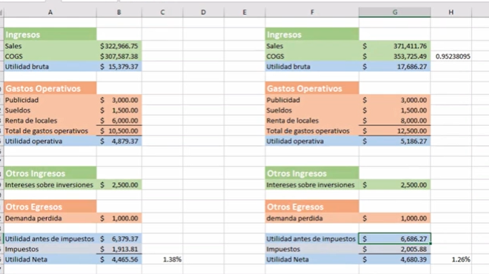
OPERACIÓN A |  | COSTOS VARIABLES
Ventas Mensuales | 3500 | Costo del café por unidad vendidad | 0.10
precio de venta | 2.5 | Costo vaso de carton por café vendido | 0.10
margen de contribución | 2.3 | costo variable total por unidad | 0.2
 |  | COSTOS FIJOS
 |  | Salario por empleado | 400
 |  | Renta del local | 1000
 |  | internet | 100
 |  | publicidad | 800
Ingresos
Ventas | $8,750
Costo de bienes vendidos | $700 | Ingresos
Utilidad Bruta | $8,050 | Ventas | $10,062
 |  | Costo de bienes vendidos | $805
Gastos Operativos |  | Utilidad Bruta | $9,257
Nómina | $1,600
Publicidad | $800 | Gastos Operativos
Renta del local | $1,000 | Nómina | $1,600
Internet | $100 | Publicidad | $1,600
Total de gastos operativos | $3,500 | Renta del local | $1,000
 |  | Internet | $100
Utilidad Operativa | $4,550 | Total de gastos operativos | $4,300

 |  | Utilidad Operativa | $4,957
Otros Ingresos
- | $-
Total de otros Ingresos | $- | Otros Ingresos
 |  | - | $-
Otros Egresos |  | Total de otros Ingresos | $-
- | $-
Total de otros Egresos | $- | Otros Egresos
 |  | - | $-
Utilidad antes de Impuestos | $4,550 | Total de otros Egresos | $-

Impuestos | $1,365 | Utilidad antes de Impuestos | $4,957
Utilidad Neta | $3,185
 |  | Impuestos | $1,487
 |  | Utilidad Neta | $3,470
PE | $1,522

 |  | PE | $1,870

